Suspension Analyzer
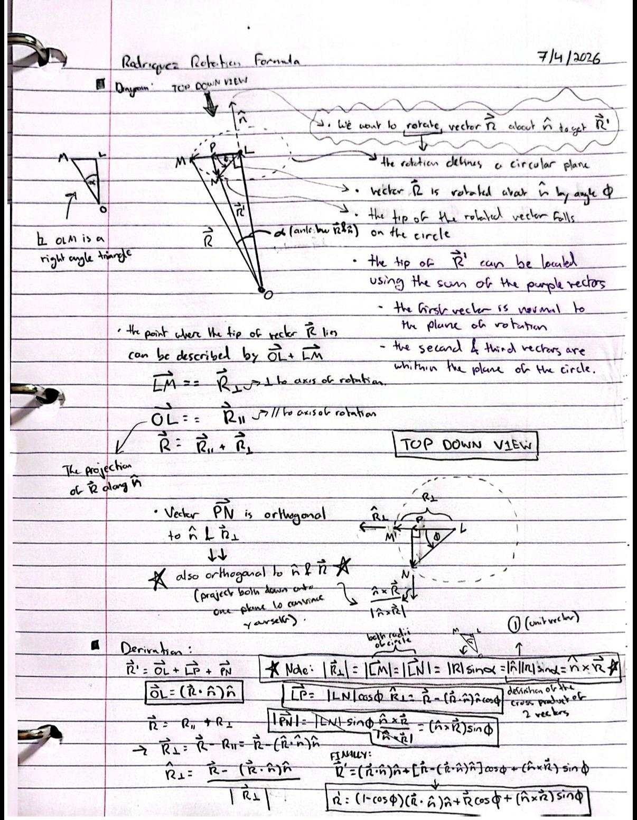
 |  |  |  |  |  |  |  |  |  |  |  |  | Camber offset (deg): |  |  | 0
Suspension Arm Pivot Hardpoints (Inputs) |  |  |  | Steering Hardpoints (Inputs) |  |  |  | Suspension Configuration (Input Values into Suspension Hardpoints) |  |  |  |  | TRAVEL SWEEP: theta_U from -20 to +20 deg
Geometry Inputs | Value | Unit | Description | Geometry Inputs | Value | Unit | Description | Parameter | Front Upper | Front Lower | Rear Upper | Rear Lower | theta_U | UOP_y | UOP_z | D_1 | theta_1 | theta_2 | theta_L | LOP_Y | LOP_Z | KPI | camber | k_x | k_y | k_z | d_beta | arm_xp | arm_yp | arm_zp | dot_k | perp_x | perp_y | perp_z | r_perp | w_x | w_y | w_z | F_x | F_y | F_z | g_x | g_y | g_z | A_coeff | B_coeff | C_coeff | R_amp | delta | phi | head_x | head_y | toe | travel
Y_U | 289 | mm | Upper inboard pickup axis lateral position (from origin) | X_TI |  | mm | Tie rod inboard rod end center longitudinal position | Member Length (mm) | 370 | 380 | 390 | 400 | -20 | 548.268 | 255.634 | 279.854 | 11.467 | 35.801 | -24.335 | 548.383 | 75.912 | 0.037 | 0.037 | 0.056 | -0.001 | 0.998 | -2.764 | 0.000 | 0.000 | 0.000 | 0.000 | 0.000 | 0.000 | 0.000 | 0.000 | 0.000 | 0.000 | 0.000 | 480.000 | 548.383 | 75.912 | 480.000 | 548.383 | 75.912 | 0 | 0 | 51700 | 0 | #DIV/0! | #N/A | #N/A | #N/A | #N/A | -94.581
Z_U | 350 | mm | Upper inboard pickup axis vertical position (from origin) | Y_TI |  | mm | Tie rod inboard rod end center lateral position | Front Pivot Horizontal Position (Approximate) | 289 | 274 | 289 | 274 | -19 | 549.876 | 260.173 | 282.362 | 12.304 | 35.694 | -23.390 | 550.392 | 80.452 | 0.164 | 0.164 | 0.056 | -0.003 | 0.998 | -2.636 | 0.000 | 0.000 | 0.000 | 0.000 | 0.000 | 0.000 | 0.000 | 0.000 | 0.000 | 0.000 | 0.000 | 480.000 | 550.392 | 80.452 | 480.000 | 550.392 | 80.452 | 0 | 0 | 48783 | 0 | #DIV/0! | #N/A | #N/A | #N/A | #N/A | -90.041
Y_L | 274 | mm | Lower inboard pickup axis lateral position (from origin) | Z_TI |  | mm | Tie rod inboard rod end center vertical position | Front Pivot Vertical Position | 350 | 350 | 350 | 350 | -18 | 551.404 | 264.740 | 284.858 | 13.136 | 35.583 | -22.446 | 552.323 | 85.020 | 0.293 | 0.293 | 0.056 | -0.005 | 0.998 | -2.508 | 0.000 | 0.000 | 0.000 | 0.000 | 0.000 | 0.000 | 0.000 | 0.000 | 0.000 | 0.000 | 0.000 | 480.000 | 552.323 | 85.020 | 480.000 | 552.323 | 85.020 | 0 | 0 | 45897 | 0 | #DIV/0! | #N/A | #N/A | #N/A | #N/A | -85.472
Z_L | 200 | mm | Lower inboard pickup axis vertical position (from origin) | arm_x |  | mm | static steering arm vector x magnitude (from LOP to TO) | Front Pivot Longitudinal Position | 360 | 350 | 2180 | 2180 | -17 | 552.852 | 269.332 | 287.342 | 13.963 | 35.466 | -21.504 | 554.177 | 89.615 | 0.423 | 0.423 | 0.056 | -0.007 | 0.998 | -2.378 | 0.000 | 0.000 | 0.000 | 0.000 | 0.000 | 0.000 | 0.000 | 0.000 | 0.000 | 0.000 | 0.000 | 480.000 | 554.177 | 89.615 | 480.000 | 554.177 | 89.615 | 0 | 0 | 43043 | 0 | #DIV/0! | #N/A | #N/A | #N/A | #N/A | -80.877
L_U | 305 | mm | Upper arm member length | arm_y |  | mm | static steering arm vector y magnitude (from LOP to TO) | Rear Pivot Horizontal Position (Approximate) | 289 | 274 | 289 | 274 | -16 | 554.219 | 273.950 | 289.813 | 14.783 | 35.345 | -20.562 | 555.954 | 94.236 | 0.553 | 0.553 | 0.056 | -0.010 | 0.998 | -2.248 | 0.000 | 0.000 | 0.000 | 0.000 | 0.000 | 0.000 | 0.000 | 0.000 | 0.000 | 0.000 | 0.000 | 480.000 | 555.954 | 94.236 | 480.000 | 555.954 | 94.236 | 0 | 0 | 40221 | 0 | #DIV/0! | #N/A | #N/A | #N/A | #N/A | -76.257
L_L | 328 | mm | Lower arm member length | arm_z |  | mm | static steering arm vector z magnitude (from LOP to TO) | Rear Pivot Vertical Position | 350 | 350 | 350 | 350 | -15 | 555.506 | 278.590 | 292.271 | 15.598 | 35.219 | -19.621 | 557.653 | 98.881 | 0.684 | 0.684 | 0.056 | -0.012 | 0.998 | -2.116 | 0.000 | 0.000 | 0.000 | 0.000 | 0.000 | 0.000 | 0.000 | 0.000 | 0.000 | 0.000 | 0.000 | 480.000 | 557.653 | 98.881 | 480.000 | 557.653 | 98.881 | 0 | 0 | 37432 | 0 | #DIV/0! | #N/A | #N/A | #N/A | #N/A | -71.612
L_u | 180 | mm | Upright length (linear distance between upper and lower outboard rod end centers) | static_toe |  | deg | static toe value at straight ahead steering wheel heading | Rear Pivot Longitudinal Position | 620 | 610 | 2440 | 2440 | -14 | 556.712 | 283.252 | 294.715 | 16.408 | 35.089 | -18.681 | 559.274 | 103.548 | 0.817 | 0.817 | 0.056 | -0.014 | 0.998 | -1.984 | 0.000 | 0.000 | 0.000 | 0.000 | 0.000 | 0.000 | 0.000 | 0.000 | 0.000 | 0.000 | 0.000 | 480.000 | 559.274 | 103.548 | 480.000 | 559.274 | 103.548 | 0 | 0 | 34677 | 0 | #DIV/0! | #N/A | #N/A | #N/A | #N/A | -66.944
X_uf | 360 | mm | Longitudinal position of the upper front pickup (from origin) | Jeb_toe |  | const | the value of toe jeb tell us which of the 2 mathematically possible ways the steering arm points IRL |  |  |  |  |  | -13 | 557.836 | 287.934 | 297.145 | 17.213 | 34.955 | -17.741 | 560.816 | 108.237 | 0.950 | 0.950 | 0.056 | -0.017 | 0.998 | -1.850 | 0.000 | 0.000 | 0.000 | 0.000 | 0.000 | 0.000 | 0.000 | 0.000 | 0.000 | 0.000 | 0.000 | 480.000 | 560.816 | 108.237 | 480.000 | 560.816 | 108.237 | 0 | 0 | 31956 | 0 | #DIV/0! | #N/A | #N/A | #N/A | #N/A | -62.256
X_ur | 620 | mm | Longitudinal position of the upper rear pickup (from origin) |  |  |  |  | Camber - KPI Offset |  |  |  |  | -12 | 558.878 | 292.636 | 299.561 | 18.013 | 34.816 | -16.803 | 562.280 | 112.946 | 1.085 | 1.085 | 0.056 | -0.019 | 0.998 | -1.716 | 0.000 | 0.000 | 0.000 | 0.000 | 0.000 | 0.000 | 0.000 | 0.000 | 0.000 | 0.000 | 0.000 | 480.000 | 562.280 | 112.946 | 480.000 | 562.280 | 112.946 | 0 | 0 | 29271 | 0 | #DIV/0! | #N/A | #N/A | #N/A | #N/A | -57.547
X_lf | 350 | mm | Longitudinal position of the lower front pickup (from origin) | Suspension - Steering Reference Intermediate Values |  |  |  | 0 |  |  |  |  | -11 | 559.838 | 297.354 | 301.963 | 18.808 | 34.674 | -15.866 | 563.666 | 117.673 | 1.220 | 1.220 | 0.056 | -0.021 | 0.998 | -1.580 | 0.000 | 0.000 | 0.000 | 0.000 | 0.000 | 0.000 | 0.000 | 0.000 | 0.000 | 0.000 | 0.000 | 480.000 | 563.666 | 117.673 | 480.000 | 563.666 | 117.673 | 0 | 0 | 26620 | 0 | #DIV/0! | #N/A | #N/A | #N/A | #N/A | -52.820
X_lr | 610 | mm | Longitudinal position of the lower rear pickup (from origin) | Parameter Name | Value | Unit | Description |  |  |  |  |  | -10 | 560.716 | 302.089 | 304.349 | 19.599 | 34.529 | -14.930 | 564.972 | 122.418 | 1.357 | 1.357 | 0.056 | -0.024 | 0.998 | -1.443 | 0.000 | 0.000 | 0.000 | 0.000 | 0.000 | 0.000 | 0.000 | 0.000 | 0.000 | 0.000 | 0.000 | 480.000 | 564.972 | 122.418 | 480.000 | 564.972 | 122.418 | 0 | 0 | 24007 | 0 | #DIV/0! | #N/A | #N/A | #N/A | #N/A | -48.075
theta_U | 0 | deg | Upper arm angle from horizontal | theta_U0 | 0 | deg | upper arm angle at static ride height |  |  |  |  |  | -9 | 561.511 | 306.839 | 306.720 | 20.385 | 34.379 | -13.994 | 566.200 | 127.178 | 1.495 | 1.495 | 0.056 | -0.026 | 0.998 | -1.305 | 0.000 | 0.000 | 0.000 | 0.000 | 0.000 | 0.000 | 0.000 | 0.000 | 0.000 | 0.000 | 0.000 | 480.000 | 566.200 | 127.178 | 480.000 | 566.200 | 127.178 | 0 | 0 | 21430 | 0 | #DIV/0! | #N/A | #N/A | #N/A | #N/A | -43.315
 |  |  |  | UOP_y0 | 564.908 | mm | vertical position of upper outboard pivot at static refernce arm angle |  |  |  |  |  | -8 | 562.222 | 311.601 | 309.074 | 21.167 | 34.226 | -13.060 | 567.349 | 131.952 | 1.634 | 1.634 | 0.056 | -0.028 | 0.998 | -1.166 | 0.000 | 0.000 | 0.000 | 0.000 | 0.000 | 0.000 | 0.000 | 0.000 | 0.000 | 0.000 | 0.000 | 480.000 | 567.349 | 131.952 | 480.000 | 567.349 | 131.952 | 0 | 0 | 18890 | 0 | #DIV/0! | #N/A | #N/A | #N/A | #N/A | -38.540
Calculated Intermediate Suspenion Values |  |  |  | UOP_z0 | 350.000 | mm | vertical position of upper outboard pivot at static refernce arm angle |  |  |  |  |  | -7 | 562.851 | 316.375 | 311.413 | 21.944 | 34.071 | -12.127 | 568.418 | 136.740 | 1.775 | 1.775 | 0.056 | -0.031 | 0.998 | -1.025 | 0.000 | 0.000 | 0.000 | 0.000 | 0.000 | 0.000 | 0.000 | 0.000 | 0.000 | 0.000 | 0.000 | 480.000 | 568.418 | 136.740 | 480.000 | 568.418 | 136.740 | 0 | 0 | 16389 | 0 | #DIV/0! | #N/A | #N/A | #N/A | #N/A | -33.753
Parameter Name | Value | Unit | Description | D1_0 | 327.303 | mm | diagonal distance from lower inboard pivot to upper outboard point (splits the 4 bar linkage into 2 triangles) at reference angle |  |  |  |  |  | -6 | 563.396 | 321.160 | 313.735 | 22.717 | 33.912 | -11.194 | 569.409 | 141.538 | 1.917 | 1.917 | 0.056 | -0.033 | 0.998 | -0.883 | 0.000 | 0.000 | 0.000 | 0.000 | 0.000 | 0.000 | 0.000 | 0.000 | 0.000 | 0.000 | 0.000 | 480.000 | 569.409 | 141.538 | 480.000 | 569.409 | 141.538 | 0 | 0 | 13927 | 0 | #DIV/0! | #N/A | #N/A | #N/A | #N/A | -28.954
base_U | 260.000 | mm | longitudinal spacing between the 2 upper inboard pickup points | theta_1_0 | 27.2769 | deg | Angle from D1 to horizontal at reference arm angle |  |  |  |  |  | -5 | 563.858 | 325.953 | 316.041 | 23.487 | 33.750 | -10.263 | 570.320 | 146.347 | 2.061 | 2.061 | 0.056 | -0.036 | 0.998 | -0.740 | 0.000 | 0.000 | 0.000 | 0.000 | 0.000 | 0.000 | 0.000 | 0.000 | 0.000 | 0.000 | 0.000 | 480.000 | 570.320 | 146.347 | 480.000 | 570.320 | 146.347 | 0 | 0 | 11504 | 0 | #DIV/0! | #N/A | #N/A | #N/A | #N/A | -24.145
base_L | 260.000 | mm | longitudinal spacing between the 2 lower inboard pickup points | theta_2_0 | 32.90010353 | deg | Angle from D1 to lower arm at reference angle |  |  |  |  |  | -4 | 564.235 | 330.754 | 318.329 | 24.252 | 33.585 | -9.333 | 571.152 | 151.165 | 2.205 | 2.205 | 0.056 | -0.038 | 0.998 | -0.595 | 0.000 | 0.000 | 0.000 | 0.000 | 0.000 | 0.000 | 0.000 | 0.000 | 0.000 | 0.000 | 0.000 | 480.000 | 571.152 | 151.165 | 480.000 | 571.152 | 151.165 | 0 | 0 | 9121 | 0 | #DIV/0! | #N/A | #N/A | #N/A | #N/A | -19.328
R_U | 275.908 | mm | upper arm swing radius | theta_L0 | -5.6232 | deg | Lower arm angle from horizontal at reference arm angle |  |  |  |  |  | -3 | 564.529 | 335.560 | 320.599 | 25.014 | 33.417 | -8.404 | 571.904 | 155.989 | 2.352 | 2.352 | 0.056 | -0.041 | 0.998 | -0.449 | 0.000 | 0.000 | 0.000 | 0.000 | 0.000 | 0.000 | 0.000 | 0.000 | 0.000 | 0.000 | 0.000 | 480.000 | 571.904 | 155.989 | 480.000 | 571.904 | 155.989 | 0 | 0 | 6779 | 0 | #DIV/0! | #N/A | #N/A | #N/A | #N/A | -14.503
R_L | 301.138 | mm | lower arm swing radius | LOP_y0 | 573.68869802 | mm | lateral position of lower outboard pivot at reference arm angle |  |  |  |  |  | -2 | 564.740 | 340.371 | 322.852 | 25.772 | 33.247 | -7.476 | 572.578 | 160.820 | 2.500 | 2.500 | 0.056 | -0.044 | 0.998 | -0.301 | 0.000 | 0.000 | 0.000 | 0.000 | 0.000 | 0.000 | 0.000 | 0.000 | 0.000 | 0.000 | 0.000 | 480.000 | 572.578 | 160.820 | 480.000 | 572.578 | 160.820 | 0 | 0 | 4478 | 0 | #DIV/0! | #N/A | #N/A | #N/A | #N/A | -9.673
X_UOP | 490.000 | mm | logitudinal position of the upper outboard pivot on the upright | LOP_z0 | 170.49264027 | mm | vertical position of lower outboard pivot at reference arm angle |  |  |  |  |  | -1 | 564.866 | 345.185 | 325.087 | 26.526 | 33.075 | -6.549 | 573.173 | 165.655 | 2.649 | 2.649 | 0.056 | -0.046 | 0.997 | -0.151 | 0.000 | 0.000 | 0.000 | 0.000 | 0.000 | 0.000 | 0.000 | 0.000 | 0.000 | 0.000 | 0.000 | 480.000 | 573.173 | 165.655 | 480.000 | 573.173 | 165.655 | 0 | 0 | 2218 | 0 | #DIV/0! | #N/A | #N/A | #N/A | #N/A | -4.838
X_LOP | 480.000 | mm | logitudinal position of the lower outboard pivot on the upright |  |  |  |  |  |  |  |  |  | 0 | 564.908 | 350.000 | 327.303 | 27.277 | 32.900 | -5.623 | 573.689 | 170.493 | 2.801 | 2.801 | 0.056 | -0.049 | 0.997 | 0.000 | 0.000 | 0.000 | 0.000 | 0.000 | 0.000 | 0.000 | 0.000 | 0.000 | 0.000 | 0.000 | 0.000 | 480.000 | 573.689 | 170.493 | 480.000 | 573.689 | 170.493 | 0 | 0 | 0 | 0 | #DIV/0! | #N/A | #N/A | #N/A | #N/A | 0.000
dX | 10.000 | mm | longitudinal distance between upper and lower outboard pivots | Calculated Intermediate Steering Values (3D rotations) |  |  |  |  |  |  |  |  | 1 | 564.866 | 354.815 | 329.500 | 28.024 | 32.723 | -4.699 | 574.126 | 175.332 | 2.953 | 2.953 | 0.056 | -0.051 | 0.997 | 0.153 | 0.000 | 0.000 | 0.000 | 0.000 | 0.000 | 0.000 | 0.000 | 0.000 | 0.000 | 0.000 | 0.000 | 480.000 | 574.126 | 175.332 | 480.000 | 574.126 | 175.332 | 0 | 0 | -2175 | 0 | #DIV/0! | #N/A | #N/A | #N/A | #N/A | 4.839
D_2 | 179.722 | mm | linear distance between upper and lower outboard points from a front view | Parameter Name | Value | Unit | Description |  |  |  |  |  | 2 | 564.740 | 359.629 | 331.679 | 28.769 | 32.544 | -3.775 | 574.484 | 180.171 | 3.108 | 3.108 | 0.056 | -0.054 | 0.997 | 0.308 | 0.000 | 0.000 | 0.000 | 0.000 | 0.000 | 0.000 | 0.000 | 0.000 | 0.000 | 0.000 | 0.000 | 480.000 | 574.484 | 180.171 | 480.000 | 574.484 | 180.171 | 0 | 0 | -4308 | 0 | #DIV/0! | #N/A | #N/A | #N/A | #N/A | 9.679
UOP_y | 564.908 | mm | lateral position of upper outboard pivot at current upper arm angle | TO_x | 480.000 | mm | x coordinate of the outer steering rod end |  |  |  |  |  | 3 | 564.529 | 364.440 | 333.838 | 29.510 | 32.363 | -2.853 | 574.765 | 185.010 | 3.265 | 3.265 | 0.056 | -0.057 | 0.997 | 0.464 | 0.000 | 0.000 | 0.000 | 0.000 | 0.000 | 0.000 | 0.000 | 0.000 | 0.000 | 0.000 | 0.000 | 480.000 | 574.765 | 185.010 | 480.000 | 574.765 | 185.010 | 0 | 0 | -6396 | 0 | #DIV/0! | #N/A | #N/A | #N/A | #N/A | 14.517
UOP_z | 350.000 | mm | vertical position of upper outboard pivot at current upper arm angle | TO_y | 573.68869802 | mm | y coordinate of the outer steering rod end |  |  |  |  |  | 4 | 564.235 | 369.246 | 335.978 | 30.248 | 32.180 | -1.933 | 574.967 | 189.845 | 3.423 | 3.423 | 0.056 | -0.060 | 0.997 | 0.623 | 0.000 | 0.000 | 0.000 | 0.000 | 0.000 | 0.000 | 0.000 | 0.000 | 0.000 | 0.000 | 0.000 | 480.000 | 574.967 | 189.845 | 480.000 | 574.967 | 189.845 | 0 | 0 | -8441 | 0 | #DIV/0! | #N/A | #N/A | #N/A | #N/A | 19.352
D_1 | 327.303 | mm | diagonal distance from lower inboard pivot to upper outboard point (splits the 4 bar linkage into 2 triangles) | TO_z | 170.49264027 | mm | z coordiante of the outer steering rod end |  |  |  |  |  | 5 | 563.858 | 374.047 | 338.097 | 30.983 | 31.996 | -1.013 | 575.091 | 194.676 | 3.583 | 3.583 | 0.056 | -0.062 | 0.997 | 0.783 | 0.000 | 0.000 | 0.000 | 0.000 | 0.000 | 0.000 | 0.000 | 0.000 | 0.000 | 0.000 | 0.000 | 480.000 | 575.091 | 194.676 | 480.000 | 575.091 | 194.676 | 0 | 0 | -10442 | 0 | #DIV/0! | #N/A | #N/A | #N/A | #N/A | 24.184
theta_1 | 27.277 | deg | Angle from D1 to horizontal | L_tie | 767.19388855 | mm | tie rod length (distance between TI and TO) |  |  |  |  |  | 6 | 563.396 | 378.840 | 340.197 | 31.715 | 31.810 | -0.095 | 575.137 | 199.502 | 3.746 | 3.746 | 0.056 | -0.065 | 0.996 | 0.945 | 0.000 | 0.000 | 0.000 | 0.000 | 0.000 | 0.000 | 0.000 | 0.000 | 0.000 | 0.000 | 0.000 | 480.000 | 575.137 | 199.502 | 480.000 | 575.137 | 199.502 | 0 | 0 | -12398 | 0 | #DIV/0! | #N/A | #N/A | #N/A | #N/A | 29.009
theta_2 | 32.900 | deg | Angle from D1 to lower arm | L_dia | 0 | mm | magnitude of the steering arm vector from LOP to TO (|arm_x, arm_y, arm_z|) |  |  |  |  |  | 7 | 562.851 | 383.625 | 342.276 | 32.444 | 31.622 | 0.822 | 575.107 | 204.321 | 3.910 | 3.910 | 0.056 | -0.068 | 0.996 | 1.110 | 0.000 | 0.000 | 0.000 | 0.000 | 0.000 | 0.000 | 0.000 | 0.000 | 0.000 | 0.000 | 0.000 | 480.000 | 575.107 | 204.321 | 480.000 | 575.107 | 204.321 | 0 | 0 | -14309 | 0 | #DIV/0! | #N/A | #N/A | #N/A | #N/A | 33.828
Jeb_main | -1 | const | the value of jeb tell us which of the 2 mathematically possible ways the linkage folds IRL | k_x | 0.056 | mm | kingpin axis unit vector x component at current suspension angle (corresponds to n_hat_x from Rodriguez video) |  |  |  |  |  | 8 | 562.222 | 388.399 | 344.335 | 33.171 | 31.433 | 1.738 | 574.999 | 209.132 | 4.077 | 4.077 | 0.056 | -0.071 | 0.996 | 1.276 | 0.000 | 0.000 | 0.000 | 0.000 | 0.000 | 0.000 | 0.000 | 0.000 | 0.000 | 0.000 | 0.000 | 480.000 | 574.999 | 209.132 | 480.000 | 574.999 | 209.132 | 0 | 0 | -16174 | 0 | #DIV/0! | #N/A | #N/A | #N/A | #N/A | 38.639
theta_L | -5.623 | deg | Lower arm angle from horizontal | k_y | -0.049 | mm | kingpin axis unit vector y magnitude at current suspension angle (corresponds to n_hat_y from Rodriguez video) |  |  |  |  |  | 9 | 561.511 | 393.161 | 346.372 | 33.895 | 31.243 | 2.652 | 574.815 | 213.933 | 4.245 | 4.245 | 0.056 | -0.074 | 0.996 | 1.445 | 0.000 | 0.000 | 0.000 | 0.000 | 0.000 | 0.000 | 0.000 | 0.000 | 0.000 | 0.000 | 0.000 | 480.000 | 574.815 | 213.933 | 480.000 | 574.815 | 213.933 | 0 | 0 | -17993 | 0 | #DIV/0! | #N/A | #N/A | #N/A | #N/A | 43.440
LOP_Y | 573.689 | mm | lateral position of lower outboard pivot at current upper arm angle | k_z | 0.997 | mm | kingpin axis unit vector z magnitude at current suspension angle (corresponds to n_hat_z from Rodriguez video) |  |  |  |  |  | 10 | 560.716 | 397.911 | 348.389 | 34.616 | 31.052 | 3.565 | 574.555 | 218.722 | 4.416 | 4.416 | 0.056 | -0.077 | 0.995 | 1.616 | 0.000 | 0.000 | 0.000 | 0.000 | 0.000 | 0.000 | 0.000 | 0.000 | 0.000 | 0.000 | 0.000 | 480.000 | 574.555 | 218.722 | 480.000 | 574.555 | 218.722 | 0 | 0 | -19767 | 0 | #DIV/0! | #N/A | #N/A | #N/A | #N/A | 48.230
LOP_Z | 170.493 | mm | vertical position of lower outboard pivot at current upper arm angle | beta_0 | 2.8005509419 | deg | KPI angle at reference suspension angle (0 deg upper arm angle?) |  |  |  |  |  | 11 | 559.838 | 402.646 | 350.384 | 35.335 | 30.859 | 4.476 | 574.220 | 223.500 | 4.590 | 4.590 | 0.056 | -0.080 | 0.995 | 1.789 | 0.000 | 0.000 | 0.000 | 0.000 | 0.000 | 0.000 | 0.000 | 0.000 | 0.000 | 0.000 | 0.000 | 480.000 | 574.220 | 223.500 | 480.000 | 574.220 | 223.500 | 0 | 0 | -21494 | 0 | #DIV/0! | #N/A | #N/A | #N/A | #N/A | 53.007
 |  |  |  | beta | 2.801 | deg | instantaneous KPI value |  |  |  |  |  | 12 | 558.878 | 407.364 | 352.357 | 36.051 | 30.666 | 5.385 | 573.809 | 228.264 | 4.765 | 4.765 | 0.056 | -0.083 | 0.995 | 1.965 | 0.000 | 0.000 | 0.000 | 0.000 | 0.000 | 0.000 | 0.000 | 0.000 | 0.000 | 0.000 | 0.000 | 480.000 | 573.809 | 228.264 | 480.000 | 573.809 | 228.264 | 0 | 0 | -23174 | 0 | #DIV/0! | #N/A | #N/A | #N/A | #N/A | 57.771
Caluclated Final Values |  |  |  | d_beta | 0.000 | deg | instantaneous anglular displacement of kingpin axis |  |  |  |  |  | 13 | 557.836 | 412.066 | 354.309 | 36.765 | 30.471 | 6.294 | 573.323 | 233.012 | 4.943 | 4.943 | 0.056 | -0.086 | 0.995 | 2.143 | 0.000 | 0.000 | 0.000 | 0.000 | 0.000 | 0.000 | 0.000 | 0.000 | 0.000 | 0.000 | 0.000 | 480.000 | 573.323 | 233.012 | 480.000 | 573.323 | 233.012 | 0 | 0 | -24807 | 0 | #DIV/0! | #N/A | #N/A | #N/A | #N/A | 62.520
Parameter Name | Value | Unit | Description | arm_x_prime | 0 | mm | instantaneous steering arm vector x component (corresponds to Rx from Rodriguez video) |  |  |  |  |  | 14 | 556.712 | 416.748 | 356.238 | 37.476 | 30.276 | 7.200 | 572.763 | 237.744 | 5.124 | 5.124 | 0.056 | -0.089 | 0.994 | 2.323 | 0.000 | 0.000 | 0.000 | 0.000 | 0.000 | 0.000 | 0.000 | 0.000 | 0.000 | 0.000 | 0.000 | 480.000 | 572.763 | 237.744 | 480.000 | 572.763 | 237.744 | 0 | 0 | -26393 | 0 | #DIV/0! | #N/A | #N/A | #N/A | #N/A | 67.252
caster | 3.189 | deg | side view angle of the steering axis from vertical | arm_y_prime | 0 | mm | instantaneous steering arm vector y component (corresponds to Ry from Rodriguez video) |  |  |  |  |  | 15 | 555.506 | 421.410 | 358.146 | 38.186 | 30.080 | 8.105 | 572.130 | 242.459 | 5.307 | 5.307 | 0.056 | -0.092 | 0.994 | 2.507 | 0.000 | 0.000 | 0.000 | 0.000 | 0.000 | 0.000 | 0.000 | 0.000 | 0.000 | 0.000 | 0.000 | 480.000 | 572.130 | 242.459 | 480.000 | 572.130 | 242.459 | 0 | 0 | -27932 | 0 | #DIV/0! | #N/A | #N/A | #N/A | #N/A | 71.966
KPI | 2.801 | deg | (Kingpin inclination) front view angle between the steering axis and vertical | arm_z_prime | 0 | mm | instantaneous steering arm vector z component (corresponds to Rz from Rodriguez video) |  |  |  |  |  | 16 | 554.219 | 426.050 | 360.030 | 38.893 | 29.884 | 9.009 | 571.423 | 247.154 | 5.493 | 5.493 | 0.056 | -0.096 | 0.994 | 2.692 | 0.000 | 0.000 | 0.000 | 0.000 | 0.000 | 0.000 | 0.000 | 0.000 | 0.000 | 0.000 | 0.000 | 480.000 | 571.423 | 247.154 | 480.000 | 571.423 | 247.154 | 0 | 0 | -29423 | 0 | #DIV/0! | #N/A | #N/A | #N/A | #N/A | 76.661
IC_det | -8141.305 | mm^2 | determinant of the two arm direction vectors (0 when the arms are parallel and increasesd when they diverege) | arm_prime_dot_k | 0.000 | mm | The projection of the carried arm vector onto the instantaneous kingpin axis (length of OL from Rodrigues video) |  |  |  |  |  | 17 | 552.852 | 430.668 | 361.892 | 39.598 | 29.687 | 9.910 | 570.644 | 251.828 | 5.682 | 5.682 | 0.056 | -0.099 | 0.994 | 2.881 | 0.000 | 0.000 | 0.000 | 0.000 | 0.000 | 0.000 | 0.000 | 0.000 | 0.000 | 0.000 | 0.000 | 480.000 | 570.644 | 251.828 | 480.000 | 570.644 | 251.828 | 0 | 0 | -30866 | 0 | #DIV/0! | #N/A | #N/A | #N/A | #N/A | 81.336
IC_y | -1249.461 | mm | horizontal position of the instant center | arm_prime_perp_x | 0 | mm | x component of the the perpendicular steering arm vector (corresponds to LM or R_perpendicular from Rodrigues Video) |  |  |  |  |  | 18 | 551.404 | 435.260 | 363.731 | 40.301 | 29.490 | 10.810 | 569.794 | 256.481 | 5.873 | 5.873 | 0.056 | -0.102 | 0.993 | 3.072 | 0.000 | 0.000 | 0.000 | 0.000 | 0.000 | 0.000 | 0.000 | 0.000 | 0.000 | 0.000 | 0.000 | 480.000 | 569.794 | 256.481 | 480.000 | 569.794 | 256.481 | 0 | 0 | -32261 | 0 | #DIV/0! | #N/A | #N/A | #N/A | #N/A | 85.989
IC_z | 350 | mm | vertical position of the instant center | arm_prime_perp_y | 0 | mm | y component of the the perpendicular steering arm vector (LM) |  |  |  |  |  | 19 | 549.876 | 439.827 | 365.547 | 41.001 | 29.293 | 11.709 | 568.872 | 261.111 | 6.067 | 6.067 | 0.056 | -0.106 | 0.993 | 3.267 | 0.000 | 0.000 | 0.000 | 0.000 | 0.000 | 0.000 | 0.000 | 0.000 | 0.000 | 0.000 | 0.000 | 480.000 | 568.872 | 261.111 | 480.000 | 568.872 | 261.111 | 0 | 0 | -33608 | 0 | #DIV/0! | #N/A | #N/A | #N/A | #N/A | 90.619
 |  |  |  | arm_prime_perp_z | 0 | mm | z component of the the perpendicular steering arm vector (LM) |  |  |  |  |  | 20 | 548.268 | 444.366 | 367.339 | 41.700 | 29.095 | 12.605 | 567.880 | 265.717 | 6.265 | 6.265 | 0.056 | -0.109 | 0.992 | 3.464 | 0.000 | 0.000 | 0.000 | 0.000 | 0.000 | 0.000 | 0.000 | 0.000 | 0.000 | 0.000 | 0.000 | 480.000 | 567.880 | 265.717 | 480.000 | 567.880 | 265.717 | 0 | 0 | -34906 | 0 | #DIV/0! | #N/A | #N/A | #N/A | #N/A | 95.225
 |  |  |  | r_perp | 0 | mm | magnitude of the perpendicular steering arm vector (LM)
Camber vs Wheel Travel
 |  |  |  | w_x | 0 | mm | x component of the cross product between k and arm_prime (corresponds to PN_x from Rodriguez Video)
 |  |  |  | w_y | 0 | mm | y component of the cross product between k and arm_prime (corresponds to PN_y from the Rodrigues video)
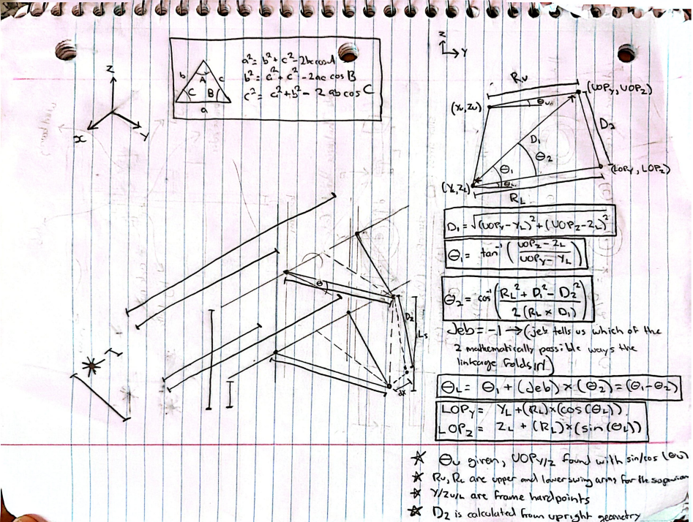
 |  |  |  | w_z | 0 | mm | z component of the cross product between k and arm_prime (corresponds to PN_z from the Rodriguez Video
 |  |  |  | F_x | 480 | mm | x coordinate of the point arounf which the steering arm rotates (L_x from the Rodriguez video)
 |  |  |  | F_y | 573.68869802 | mm | y coordinate of the point arounf which the steering arm rotates (L_y from the Rodriguez video)
 |  |  |  | F_z | 170.49264027 | mm | z coordinate of the point arounf which the steering arm rotates (L_z from the Rodriguez video)
 |  |  |  | g_x | 480 | mm | x component of the vector from TI to point F
 |  |  |  | g_y | 573.68869802 | mm | y component of the vector from TI to point F
 |  |  |  | g_z | 170.49264027 | mm | z component of the vector from TI to point F

 |  |  |  | Calculated Final Steering Values (Tie Rod Spin Equation)
 |  |  |  | Parameter Name | Value | Unit | Description
 |  |  |  | A_coeff | 0 | mm^2 | Weight of the cos term in the spin equation (A cos + B sin = C) 2x the dot product of g (the vector from the tie-rod anchor TI to the circle center L) with R⊥ (the rest-radius LM).
 |  |  |  | B_coeff | 0 | mm^2 | The weight on the sine term. Twice the dot product of g with w (the full-length partner radius, 90° around the circle in the n_hat x R direction).
 |  |  |  | C_coeff | -1.1641532183E-10 | mm^2 | The fixed target the cosine-and-sine combination must equal.
 |  |  |  | R_amp | 0 | mm^2 | The amplitude of the single combined wave. Adding a cosine wave weighted by A to a sine wave weighted by B always gives one wave, this is its height.
 |  |  |  | delta | #DIV/0! | deg | The phase shift of the combined wave
 |  |  |  | phi | #DIV/0! | deg | The spin angle (the amount the rest-radius LM must rotate about the axis n to become the actual radius LN)
 |  |  |  | head_x | #DIV/0! | n/a | The fore/aft component of the wheel's forward-pointing arrow after it's been spun by φ about the axis n̂.
 |  |  |  | head_y | #DIV/0! | n/a | The lateral component of that same spun forward arrow
 |  |  |  | TOE ANGLE | #DIV/0! | deg | The wheel's steer angle

Toe vs Wheel Travel (BUMP STEER)

Random Hand Calcs
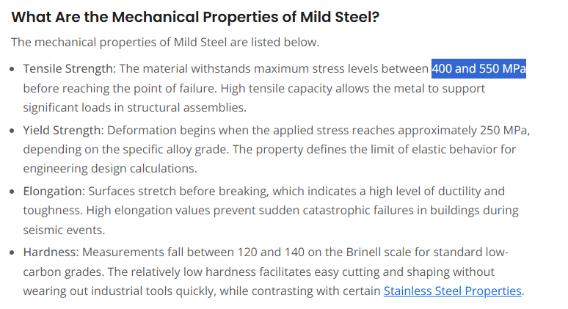
Outboard Suspension Bearing Housing Sizing
Inputs
Parameter | Value | Unit
Housing Height | 12 | mm
Wall Thickness | 1.169 | mm
Vehicle Weight | 323 | kg
Lateral Acceleration | 1.5 | g
Relative Force at Corner of interest | 25 | %
Outputs
Bearing Stress at C/S | 42.309131737 | Mpa

Suspension Arm Loading
Inputs
Parameter | Value | Unit
OD | 12 | mm
Moment Arm | 85 | mm
Vehicle Weight | 323 | kg
Acceleration | 1.5 | g
Relative Force at Corner of interest | 30 | %
Outputs
Total Force | 4748.1 | N
Cantilever Adjusted Force | 4
Area Moment of Inertia | 1.0178760198E-09 | m^4
Bearing Stress at C/S | 0.54923645173 | Mpa

Shit Improv
Inputs
Parameter | Value | Unit
defelection | 1.85 | mm
Modulus of Elasticity | 210 | GPa
Diameter | 12 | mm
Length | 63 | mm
Outputs
Area Moment of Inertia | 1.0178760198E-09 | m^4
Force | 4744.4460483 | N
 | 484.12714778
 | 1065.0797251

Brakes Hand Calcs
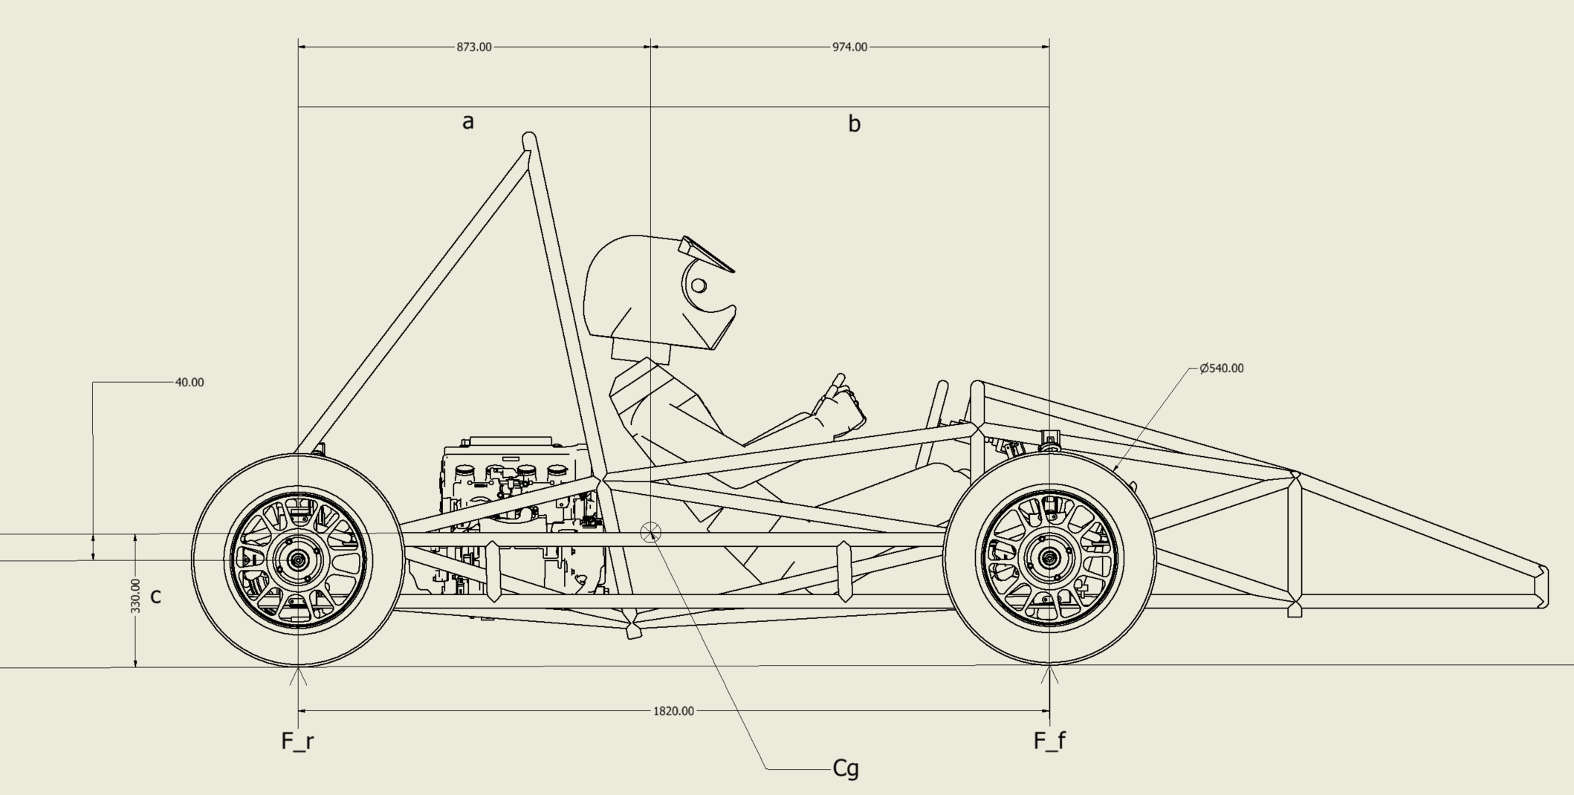
Frame Weight Calculations |  |  | Vehicle Weight
Parameter | Value | Unit | Paramter | Value | Unit
Inputs |  |  | Vehicle (Imperial) | 538 | lbs
Density | 0.2836 | lb/in^3 | Vehicle (Metric) | 244 | kg
OD | 1 | in | Vehicle + Driver (Imperial) | 713 | lbs
Wall Thickness | 0.083 | in | Vehicle + Driver (Metric) | 324 | kg
Total Member Length | 157.21 | ft
Outputs |  |  | Braking Load Transfer Calculator
ID | 0.834 | in | Parameter | Value | Unit
Cross Section | 0.239 | in^2 | Inputs
Frame Weight | 128 | lbs | Vehicle + Driver Mass | 324 | kg
 |  |  | a | 873 | mm
Suspension and Brakes Weight Calculations |  |  | b | 947 | mm
Parameter | Value | Unit | c | 330 | mm
Inputs |  |  | Decceleration | 1.5 | g
Arm Density | 0.2836 | lb/in^3 | Tire Outer Diameter | 540 | mm
Arm Average Member Length | 15 | in | Weight Distribution Outputs
Arm Wall OD | 1 | in | Static Front Axle Load | 1521 | N
Arm Wall Thickness | 0.083 | in | Static Rear Axle Load | 1650 | N
Arm Member Count | 20 | # | Dynamic Front Axle Load | 2383 | N
Rod End Weight | 0.15 | lbs | Dynamic Rear Axle Load | 788 | N
Rod End Count | 64 | # | Dynamic Front Weight Proportion | 75 | %
Bracket Weight | 0.15 | lbs | Dynamic Rear Weight Proportion | 25 | %
Bracket Count | 64 | # | Braking Torque Outputs
Upright Weight | 2.2 | lbs | Required Front Axle Braking Torque | 965 | N-m
Wheel Bearing Weight | 0.15 | lbs | Required Rear Axle Braking Torque | 319 | N-m
Wheel Hub Assembly Weight | 1.5 | lbs
Brake Caliper Weight | 1 | lbs | Brake System Sizing Calculator
Rim Weight | 13 | lbs | Parameter | Value | Unit
Tire Weight | 15 | lbs | Inputs
Steering Assembly Weight Estimate | 2.5 | lbs | Front Pad Coefficient of Friction (mu_pad_f) | 0.45 | const
Misc Hardware Estimate | 2 | lbs | Rear Pad Coeffient of Friction (mu_pad_r) | 0.45 | const
Outputs |  |  | Effective Rotor Radius (r_eff) | 96 | mm
Arm ID | 0.834 | lbs | Front Caliper Piston Diameter | 1.23 | in
Arm Cross Section | 0.239 | lbs | Rear Caliper Piston Diameter | 1.23 | in
Arm Weight | 20.343 | lbs | Front Master Cylinder Bore | 0.75 | in
Suspension and Brakes Weight | 176 | lbs | Rear Master Cylinder Bore | 0.75 | in
 |  |  | Pedal Ratio (PR) | 3 | const
Drivetrain Weight Calculations |  |  | Front Brake Bias (BB_f) | 0.6 | const
Parameter | Value | Unit | Panic Braking force | 2000 | N
Inputs |  |  | Outputs
Engine Weight | 136 | lbs | Supplied Front Braking Torque | 483 | N-m
Differential Weight | 50 | lbs | Supplied Rear Braking Torque | 159 | N-m
CV Axle Weight | 11 | lbs | Front Caliper Piston Area | 0.000767 | m^2
CV Axle Count | 3 | # | Rear Caliper Piston Area | 0.000767 | m^2
Misc Hardware Estimate | 5 | lbs | Required Front MC Area | 0.000285 | m^2
Output |  |  | Required Rear MC Area | 0.000285 | m^2
Total Weight | 224 | lbs | Front Circuit Lock Pressuure | 1057 | psi
 |  |  | Rear Circuit Lock Pressure | 349 | psi
Cockpit Weight Calculations |  |  | Front Panic Pressure | 1832 | psi
Parameter | Value | Unit | Rear Panic Pressure | 1221 | psi
Inputs |  |  | Front Circuit Lock Pedal Force | 1154 | N
Average Driver Weight | 175 | lbs | Rear Circuit Lock Pedal Force | 572 | N
Seat Weight | 5 | lbs | Required Pedal Force | 1154 | N
Steering Wheel Weight | 1 | lbs |  | 500-700
Pedal Box Weight | 3 | lbs
Pneumatic Actuator Weight | 1 | lbs
Misc Hardware Estimate | 0.5 | lbs
Output
Total Weight | 186 | lbs

Component Selection
